ChickenSales
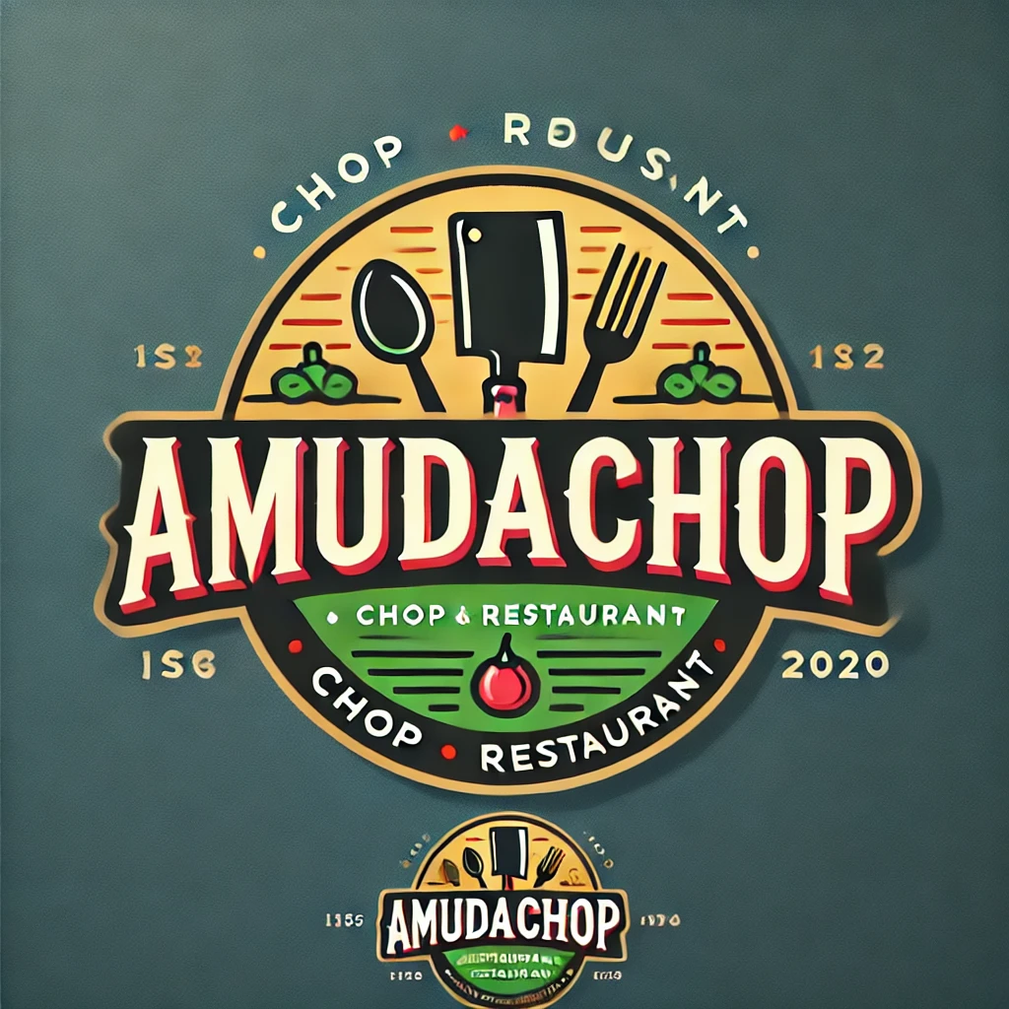 |  |  |  |  |  |  | Date: | 2024-09-29

Chicken Sales Analysis

Menu Item | Total Qty Projected | Total Qty Sold | Avg Monthly Qty Sold | Price | Total Revenue | % of Projection | Top Performer | Next On Sale | Sale Details
Chicken Wrap | 1394 | 1318 | 329.5 | £16.75 | £22,076.50 | 95% |  | On Sale | Sale Threshold | 93%
Cajun Chicken | 1286 | 1289 | 322.3 | £22.00 | £28,358.00 | 100% |  |  | Start Sale | 2016-11-01
Chicken Caliente | 648 | 722 | 180.5 | £35.00 | £25,270.00 | 111% |  |  | End Sale | 2016-12-30
Chicken Fajitas | 2228 | 2072 | 518.0 | £32.50 | £67,340.00 | 93% | Best Item | On Sale | Days on Sale | 59
Mesquite Chicken | 1541 | 1679 | 419.8 | £26.00 | £43,654.00 | 109%
Pasta with Chicken | 1652 | 1779 | 444.8 | £15.75 | £28,019.25 | 108%
Chicken Sales Revenue by Menu Item.
Actual Sales Quantities
Menu Item | Month 1 | Month 2 | Month 3 | Month 4 | Performance
Chicken Wrap | 250 | 326 | 391 | 351
Cajun Chicken | 296 | 308 | 386 | 299
Chicken Caliente | 257 | 156 | 165 | 144
Chicken Fajitas | 300 | 529 | 667 | 576
Mesquite Chicken | 448 | 377 | 455 | 399
Pasta with Chicken | 499 | 423 | 395 | 462

Projected Sales Quantities
Menu Item | Month 1 | Month 2 | Month 3 | Month 4
Chicken Wrap | 450 | 322 | 300 | 322
Cajun Chicken | 350 | 340 | 297 | 299
Chicken Caliente | 266 | 138 | 148 | 96
Chicken Fajitas | 520 | 524 | 600 | 584
Mesquite Chicken | 400 | 363 | 378 | 400
Pasta with Chicken | 410 | 418 | 410 | 414

ChickenSales (2)
 |  |  |  |  |  |  | Date: | 2024-09-29

Chicken Sales Analysis

Menu Item | Total Qty Projected | Total Qty Sold | Avg Monthly Qty Sold | Price | Total Revenue | % of Projection | Top Performer | Next On Sale | Sale Details
Chicken Fajitas | 1394 | 1318 | 329.5 | £32.50 | £42,835.00 | 95% |  |  | Sale Threshold | 93%
Chicken Wrap | 1286 | 1289 | 322.3 | £16.75 | £21,590.75 | 100% |  |  | Start Sale | 2016-11-01
Cajun Chicken | 648 | 722 | 180.5 | £22.00 | £15,884.00 | 111% |  | On Sale | End Sale | 2016-12-30
Mesquite Chicken | 1541 | 1679 | 419.8 | £26.00 | £43,654.00 | 109%
Chicken Caliente | 1652 | 1779 | 444.8 | £35.00 | £62,265.00 | 108% | Best Item
Chicken Sales Revenue by Menu Item.
 | Total Revenue
Chicken Fajitas | £42,835.00
Chicken Wrap | £21,590.75
Cajun Chicken | £15,884.00
Mesquite Chicken | £43,654.00
Chicken Caliente | £62,265.00
Total | 6521 | 6787 |  |  | £186,228.75 |  |  | 5
Actual Sales Quantities
Menu Item | Month 1 | Month 2 | Month 3 | Month 4 | Performance
Chicken Wrap | 250 | 326 | 391 | 351
Cajun Chicken | 296 | 308 | 386 | 299
Chicken Caliente | 257 | 156 | 165 | 144
Chicken Fajitas | 300 | 529 | 667 | 576
Mesquite Chicken | 448 | 377 | 455 | 399
Pasta with Chicken | 499 | 423 | 395 | 462

Projected Sales Quantities
Menu Item | Month 1 | Month 2 | Month 3 | Month 4
Chicken Wrap | 450 | 322 | 300 | 322
Cajun Chicken | 350 | 340 | 297 | 299
Chicken Caliente | 266 | 138 | 148 | 96
Chicken Fajitas | 520 | 524 | 600 | 584
Mesquite Chicken | 400 | 363 | 378 | 400
Pasta with Chicken | 410 | 418 | 410 | 414

